Cliff Height Calculator
 | Cliff Height Calculator

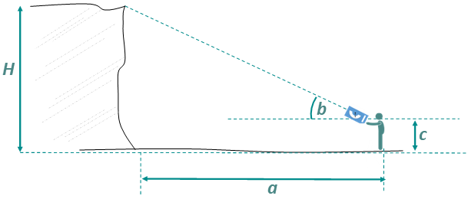
This calculator can also be used to calculate the height of trees or buildings.
Instructions |  |  | 0
Enter data into the three white cells only. |  |  | 0
a (the distance between observer and base of cliff in metres) |  |  | 0

b (the angle recorded by the observer to cliff top)

c (the height of the observer, to eye level in metres)

H (height of the cliff in metres) |  | 0.00

