Cliff Height Calculator
 | Tree Carbon Content Calculator
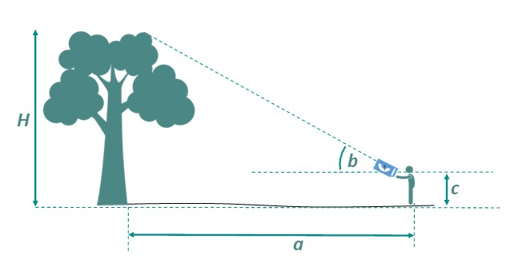
Instructions |  |  |  |  |  | 0 | 3.1415926536
Enter data into the four white cells only. |  |  |  |  |  | 0 | 6.2831853072
a (the distance between observer and base of tree in metres) |  |  |  |  |  | 0
 |  |  |  |  |  | 0.00
b (the angle recorded by the observer to tree top) |  |  |  |  | radius= | 0 | r2= | 0

c (the height of the observer, to eye level in metres) |  |  |  |  | pi r 2= | 0 | h/3= | 0

Circumference of trunk at chest height in metres |  |  |  |  | vol= | 0

Tree species | Carbon Content (in dry tonnes) | Tree species | Carbon Content (in dry tonnes) | Users of this calculator should note that the values given are guide values only. Trees of a single species can vary hugely in their structure and this would be likely to create notable differences in the amount of carbon they store.
Alder | 0.00 | Maple | 0.00
Ash | 0.00 | Oak | 0.00
Beech | 0.00 | Plane | 0.00
Cherry | 0.00 | Poplar | 0.00
Dogwood | 0.00 | Scots Pine | 0.00
Elder | 0.00 | Silver Birch | 0.00
Elm | 0.00 | Spindle | 0.00
Hazel | 0.00 | Spruce | 0.00
Holly | 0.00 | Sweet chestnut | 0.00
Hornbeam | 0.00 | Walnut | 0.00
Horse chestnut | 0.00 | Wayfarer | 0.00
Larch | 0.00 | Weeping Willow | 0.00
Lime | 0.00 | Yew | 0.00

